Diagram
 | Displacement at mid-span [mm]
0.00E+00 | 0.00E+00
1.00E-02 | -1.79E-02
2.00E-02 | -3.58E-02
3.00E-02 | -5.37E-02
4.00E-02 | -7.16E-02
5.00E-02 | -8.95E-02
6.00E-02 | -1.07E-01
7.00E-02 | -1.25E-01
8.00E-02 | -1.43E-01
9.00E-02 | -1.61E-01
1.00E-01 | -1.79E-01
1.10E-01 | -1.97E-01
1.20E-01 | -2.15E-01
1.30E-01 | -2.33E-01
1.40E-01 | -2.50E-01
1.50E-01 | -2.68E-01
1.60E-01 | -2.86E-01
1.70E-01 | -3.04E-01
1.80E-01 | -3.22E-01
1.90E-01 | -3.40E-01
2.00E-01 | -3.58E-01
2.10E-01 | -3.76E-01
2.20E-01 | -3.94E-01
2.30E-01 | -4.12E-01
2.40E-01 | -4.29E-01
2.50E-01 | -4.47E-01
2.60E-01 | -4.65E-01
2.70E-01 | -4.83E-01
2.80E-01 | -5.01E-01
2.90E-01 | -5.19E-01
3.00E-01 | -5.37E-01
3.10E-01 | -5.55E-01
3.20E-01 | -5.73E-01
3.30E-01 | -5.90E-01
3.40E-01 | -6.08E-01
3.50E-01 | -6.26E-01
3.60E-01 | -6.44E-01
3.70E-01 | -6.62E-01
3.80E-01 | -6.80E-01
3.90E-01 | -6.98E-01
4.00E-01 | -7.16E-01
4.10E-01 | -7.34E-01
4.20E-01 | -7.51E-01
4.30E-01 | -7.69E-01
4.40E-01 | -7.87E-01
4.50E-01 | -8.05E-01
4.60E-01 | -8.23E-01
4.70E-01 | -8.41E-01
4.80E-01 | -8.59E-01
4.90E-01 | -8.77E-01
...

Deflected shape
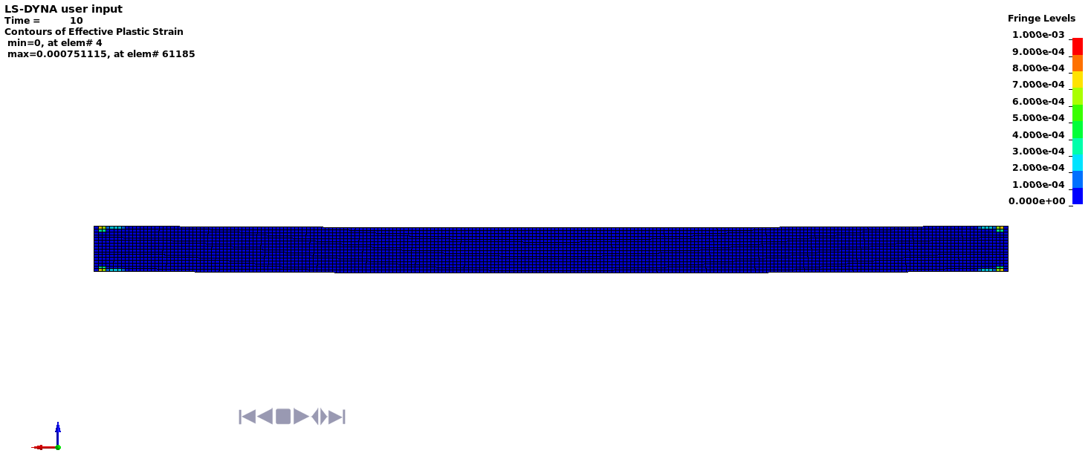

Deflected shape with visible contours of plasticity

